Sheet1
Assignment - 1 | Displaying records
Requirement | 1. Class name: RecordDisplay
 | 2. Make a connection to the database "Northwind" (MySQL) by using Type1 Driver
 | 3. Fetch the data from "Employee" table and display the records
 | 4. Following columns should be fetched and displayed a. EmployeeID, b. Name (i.e. combination of FirstName & LastName like "Rakesh Mehta"), c. Title, d. Address (i.e. combination of Address, City & Country like "Goregaon, Mumbai, India") and e. HomePhone
 | 5. Separate methods should be defined for making a connection, closing a connection and display the data. (Method name: connect(), disconnect(), displayRecords())
 | 6. The class is taking all the parameters needed to fulfill the requirements. (like Database name, username and Password)
 | 7. The column header should be print first and then the data will be printed.
 | 8. Main class is used to call the logic.
SQL Query
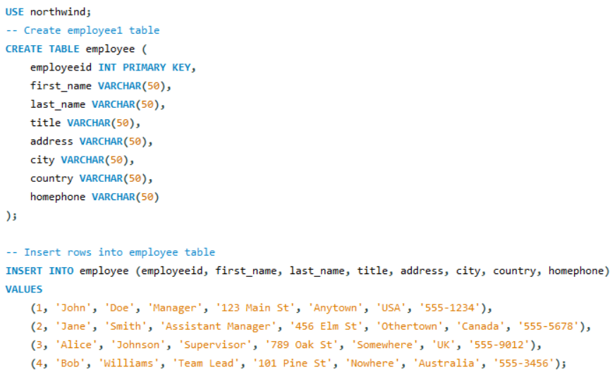

Sql Output

Java Code

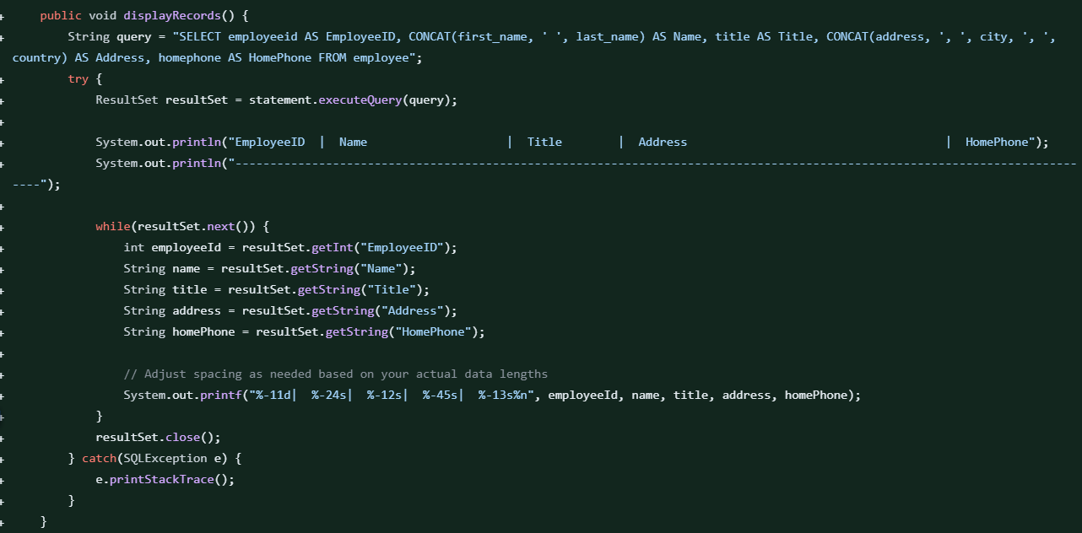
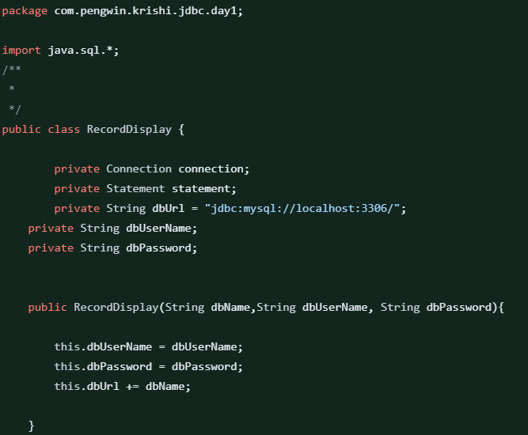

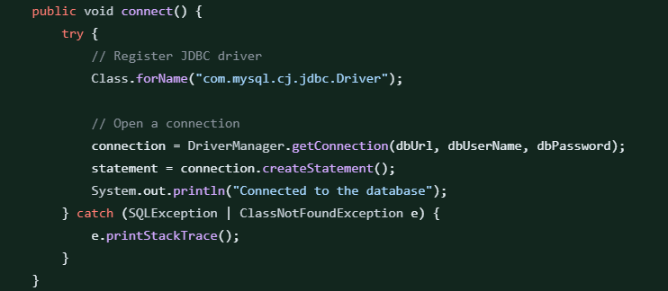
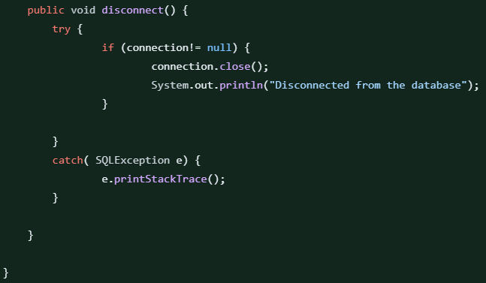

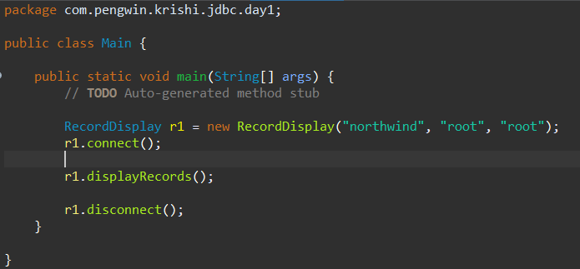

Output

Assignment - 2 | Displaying the records by using Type 4 Drivers
Requirement | 1. Modify the above program for using Type4 Driver of MySQL.
 | 2. Get the drivers for MySQL from the File Server (under wdgmys\Development Tools; mysql-connector-java-5.1.26-bin.jar) and configure it to the build path of the project.
 | 3. Modify the logic of displaying the data (method: displayRecords) to support the filtering of records.
 | 4. Only employeeID is used in the filtering criteria
 | 5. If the input does not contain the employeeID, no filtering will be done (same as in the Assignment - 1)
 | 6. The class is taking all the parameters needed to fulfill the requirements. (like Database name, username and Password)
 | 7. The column header should be print first and then the data will be printed.
 | 8. Main class is used to call the logic.

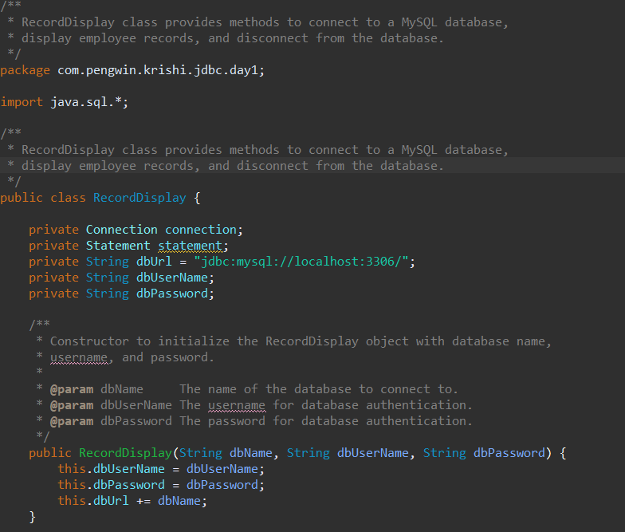
Java Code

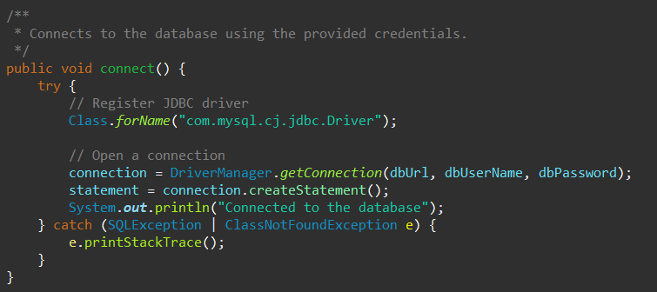

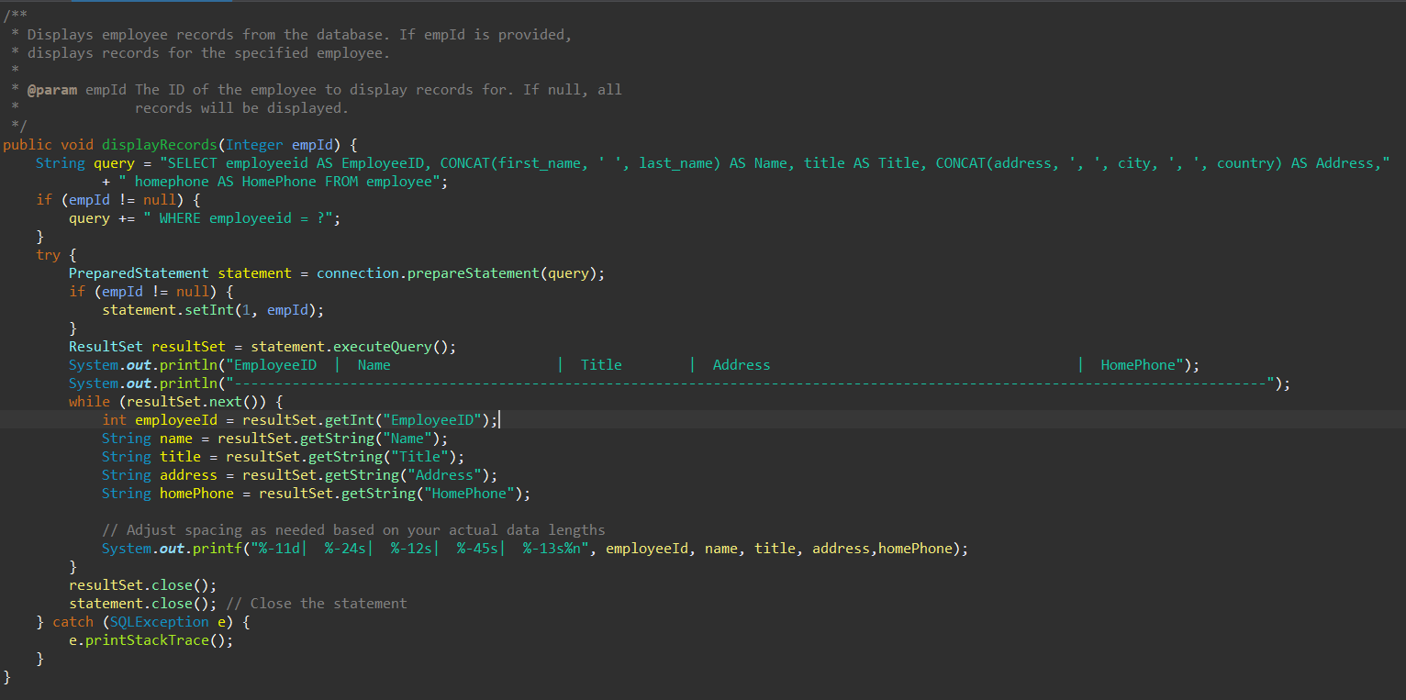

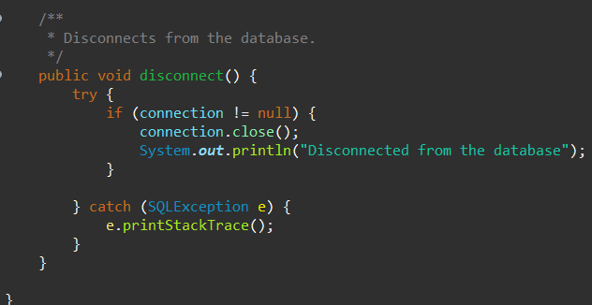

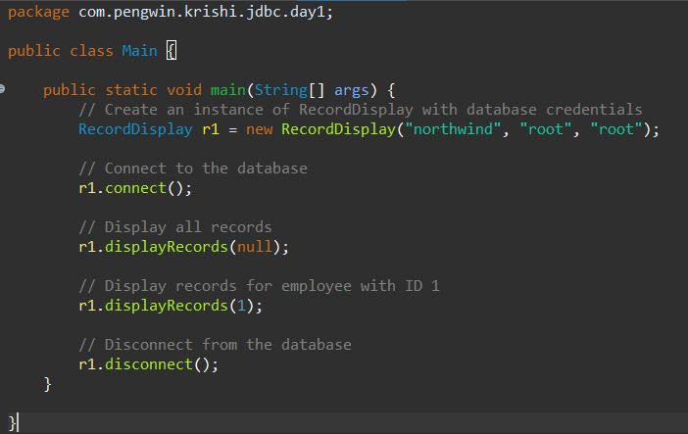

Output

Assignment - 3 | Connection from properties file.
Requirement | 1. Class: PropertyUtil
 | 2. The class is used to read the property file and provides the value of the specified key.
 | 3. Take the property file from the same location of this skillup. (settings.properties)
 | 4. You can change the values of the file depending upon the database server settings
 | 5. Class: TableRowPrinter
 | 6. The PropertyUtil class is then used by TableRowPrinter class for connecting to the database.
 | 7. The method is present to connect to the database using the setting present in the property file.
 | 8. Only Type4 Driver is used to connect to the database
 | 9. When the visible method (public method) of this class is called, it will connect to DB, fetch the record from Employee table and display it on the console in the same format as described in Assignment - 1

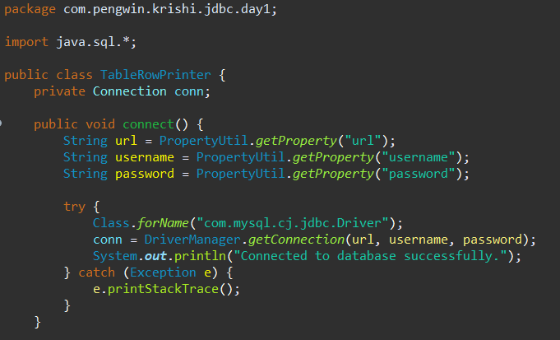
Java Code

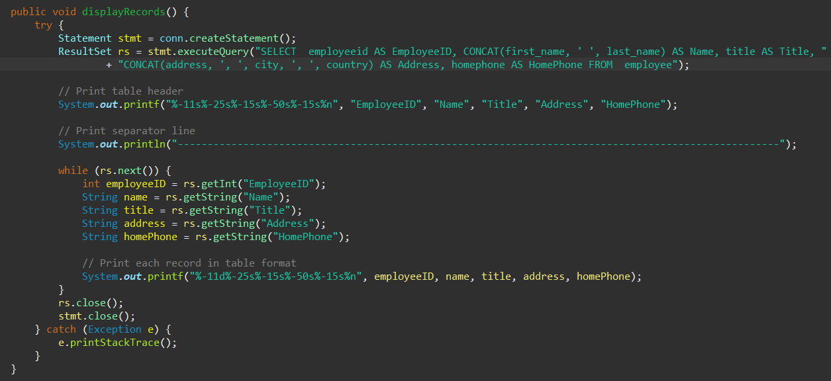

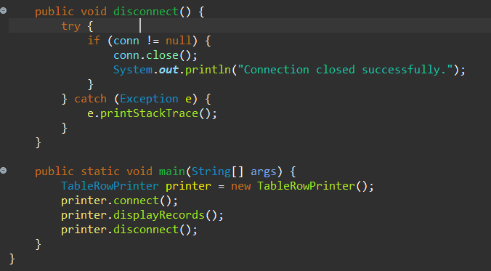

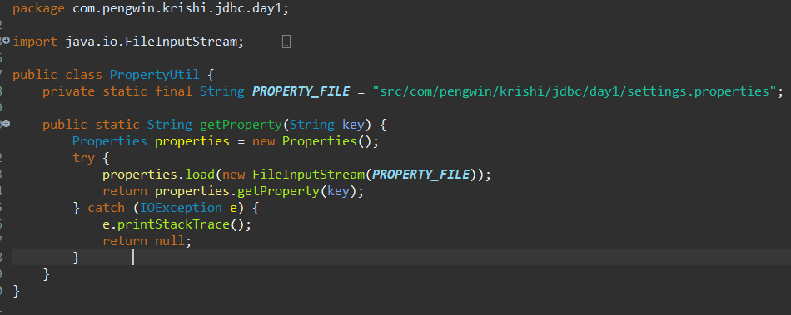

Result

